BTF
 |  |  |  |  |  |  |  |  |  | 出張報告書 |  |  |  |  |  |  | 報告先・Report To:
 |  |  |  |  |  |  |  |  |  |  |  |  |  |  |  |  | Datuk Anthony | CEO
 |  |  |  |  |  |  |  |  |  |  |  |  |  |  |  |  | Mr. Ogawa | MD
 |  |  |  |  |  |  |  |  |  |  |  |  |  |  |  |  | Mr. Sinna | Subs HOD
期間 Date |  |  |  | 2017-01-25 |  |  |  |  |  | 出張者 Name |  | ロスリー アフマド
 |  |  |  |  |  |  |  |  |  |  |  | Rosli Bin Ahmad
添付資料 Attachment |  |  |  |  | 有 Yes |  | 無 No |  |  | 同行者 Colleuge |  |  |  |  |  |  | 関連事業部・Related Dept
 |  |  |  |  |  |  |  |  |  |  |  | - |  |  |  |  | 出張者・B/Trip Colleuge
 |  |  |  |  |  |  |  |  |  |  |  |  |  |  |  |  | 関係者・Related Person
 |  |  |  |  |  |  |  |  |  |  |  |  |  |  |  |  |  | MM-IN-RD-9100-P06-04 Rev.2
出張先 Customer |  |  |  | ASJ Components (M) Sdn.Bhd |  |  |  |  |  |  |  |  | 相手先 面談者 Attendance |  |  | Ms. Sun (Purchasing) |  | Purchasing Manager
 |  |  |  |  |  |  |  |  |  |  |  |  |  |  |  | Mr. Lee Chee Sak |  | Asst. Logistics Manager

報告的注意点！
1. 先写不好的消息！
2. 写事実!!
3. 先写結論！！
4. 簡潔明確！具体的！
5. 最後写自己意見・想法・要求！
出張目的 Visit Purpose |  |  |  | ■ | New packaging proposal
 |  |  |  | ■ | 7910M shallow slit 694Kpcs 15% discount quotation
 |  |  |  | ■ | 7910M new angle spec pre-pro
 |  |  |  | ■ | Order forecast

報告内容 Report
NEW PACKAGING PROPOSAL
■ | New packaging method had been approved (Mr. Lee & Ms, Sun). Test lot shipment by end Feb.
■ | Explained MARUWA request for new packaging:
 | - | plastic gray box, inner & top cushion and plastic pallet will be return weekly (RM500/trip cost bear by MARUWA-KWE)
 | - | plastic gray box, inner & top cushion and plastic pallet will be keep under roof area to avoid dust, hot sun and rain.
 | - | ASJ warehouse personal will transfer substrate to ASJ white plastic box to 1st process printing. No gray box in production.
 | - | plastic gray box & pallet plastic will be mark "MARUWA" (ASJ plastic pallets same size & color with MARUWA)
 | - | ASJ will apply custom exemtion to return pallet plastic and gray box to Maruwa.
 | - | 1st gray box and plastic pallet expected on 3rd shipment onwards.
※ | Mr. Lee request clear photo and dimension L x W x H of gray box.
※ | Mr. Lee also request additional 2 shipment from Feb (4 times/mth or weekly) due to limited warehouse space

7910M
■ | NO objection by Ms. Sun or Mr. Azlan for 15% discount 7910M shallow slit lot 694Kpcs. Mr. Azlan requested 1st shipment in Feb
 | rank66 84.8Kpcs and rank67 67.2Kpcs. Time to time Mr. Azlan will advice rank from stock list. New p/o will be issue.
 | I request PC to control lot no. for tracebility if any problem happen.
■ | 7910M new angle spec pre-pro test shipment 16Kpcs (rank87L 9.6Kpcs & rank A8R 6.4Kpcs) ETD on 26-Jan.
 | Mar shipment expected can convert all 7910M shipment to new angle spec. Without new angle spec MARUWA can't promise
 | 600K/month shipment.

ORDER FORECAST
Type |  |  | Product |  |  | Usage/Mth |  | Maruwa |  |  | Chip Qty/Mth |  |  | Jan-17
0402 |  |  | 7910M |  |  |  | 900K |  | 600K |  |  | 7.119B |  |  | 510K
0603 |  |  | 3080M |  |  |  | 500K |  | 300K |  |  | 1.540B |  |  | 250K
0805 |  |  | 1598M |  |  |  | 500K |  | 500K |  |  | 0.799B |  |  | 600K
1206 |  |  | 874M |  |  |  | 1800K |  | 1800K |  |  | 1.573B |  |  | 1800K
Total |  |  |  |  |  |  | 3700K |  | 3200K |  |  | 11.031B |  |  | 3160K
 |  |  |  |  |  |  |  |  | 86%
■ | Ms. Sun was so angry when she highlight that CCTC had turn down to support ASJ (allocation given to China customer) .
 | For that Mr. Seah (COO) request to visit MARUWA on early Mar to discuss MARUWA commitment support to ASJ. Also Mr. Seah
 | will explain ASJ progress new capacity request once new plant start production in Mar-18. Total 30B = 10,000Kpcs substrate.

OTHERS
■ | HERAEUS Sensor Technology (Yageo Group) buy Ralec China share. BUT ASJ will operation stand alone, no changes.

意見・Opinion
Ms. Sun know substrate shortage supply will happen soon. Walsin, Yageo and Royal increase capacity but substrate manufacturer
did not increase much capacity. She strongly request MARUWA to maintain support to ASJ quantity and she expecting price increase
not less shipment quantity from MARUWA. CCTC had clearly turn down ASJ request they not trust China supplier anymore.
Hope MARUWA support.

New Packaging
Customer: ASJ Components [M] Sdn.Bhd.
Title: New Packaging Method Proposal

RMC-SUB10-7910 / 0402 60 x 70 [7910M] | RMC-SUB16-6070 / 0603 60 x 70 [3080M] | RMC-SUB21-6070 / 0805 60 x 70 [1598M] | RMC-SUB32-6070 / 1206 60 x 70 [874M]
200pcs/Lot | 360pcs/Lot | 360pcs/Lot | 300pcs/Lot
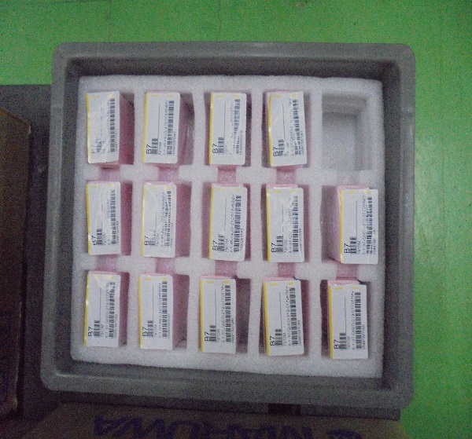
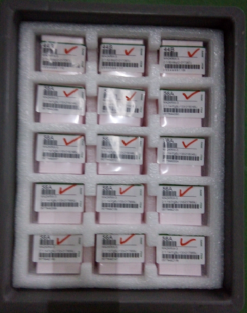

Plastic Container: 1,400pcs | Plastic Container: 1,500pcs | Plastic Container: 1,500pcs | Plastic Container: 1,500pcs
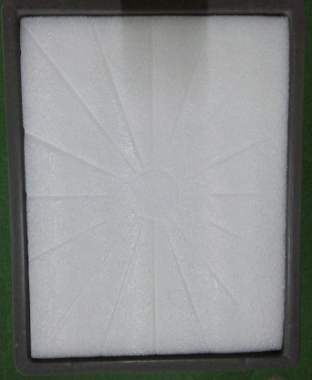

Plastic Cushion Protection
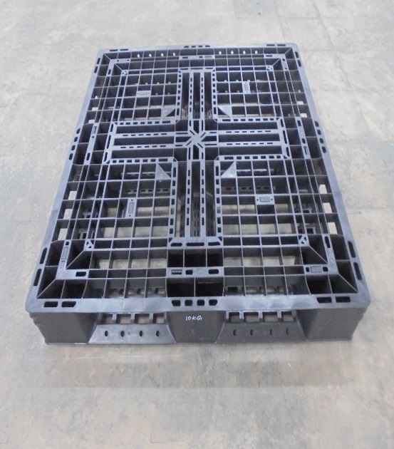
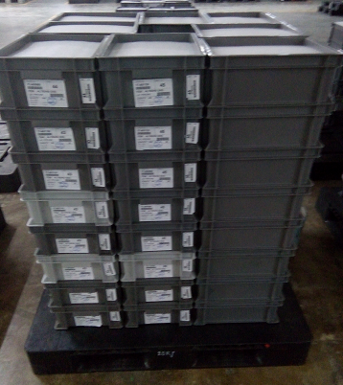
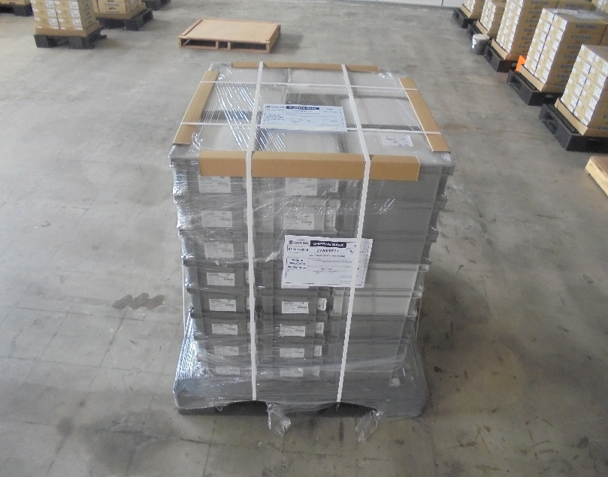

Plastic Pallet 120 x 100 = 64 x 1.4K = 89.6Kpcs | Plastic Pallet 120 x 100 = 8 ctns/layer x 8 Layers = 64 x 1.5K = 96Kpcs

